Sheet1


PES/DMC/003/07/23 |  |  |  |  |  |  |  |  | 2023-08-18

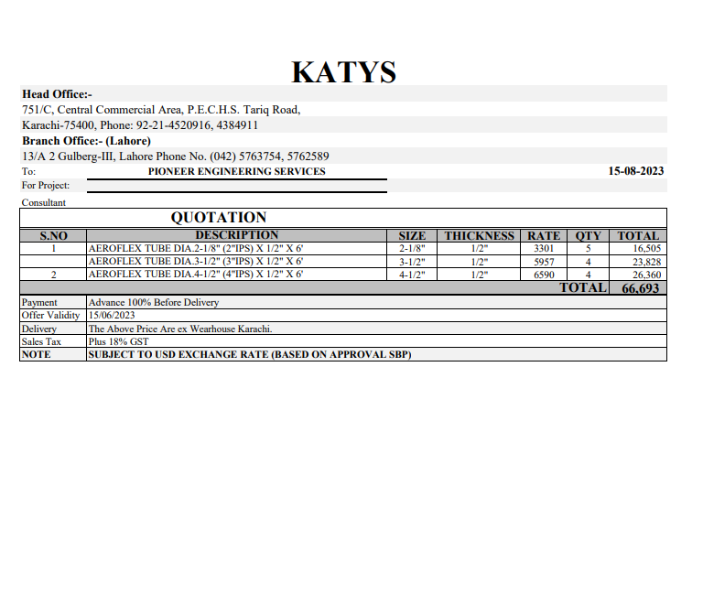
Attn: Mr. Anas Aftab

Variation order for Drainage pipe insulation - Dolmen Family Area DMC Karachi

S. # | Description | Material Rate | Labour Rate | Wastage 10% | Over Head profit 20% | Tax 7.5% | Unit | Qty | Amount
1 | Supply and installation of Aeroflex NBR insulation over UPVC drainage pipe. |  |  |  | - | - |  |  | -
i | 04" dia | 1,098 | 130 | 110 | 268 | 120 | Rft | 24 | 41,418
ii | 03" dia | 952 | 130 | 95 | 235 | 106 | Rft | 24 | 36,446
iii | 02" dia | 550 | 130 | 55 | 147 | 66 | Rft | 30 | 28,445
2 | Supply and installation of PVC Black tape 2" Wide | 20,000 | 3,000 | - | 4,600 | 2,070 | Carton | 1 | 29,670
3 | Supply and installation of related PVC fittings for insulation. | 20,000 | 10,000 | - | 6,000 | 2,700 | Job | 1 | 38,700
Total Amount Rs |  |  |  |  |  |  |  |  | 174,679

Note: Billling will be charged on actual measurement.

Thanking you,

For PIONEER ENGINEERING SERVICES.

Bilal Habib

